Sheet1
 | Document No. |  | Issue No. | Issue Date |  |  | Review and Replace Date |  |  | Authorised By
 | GFF432MC |  | 2 | 19.03.2024 |  |  | 28.01.2025 |  |  | Magda Shah
 | Document Title |  | Gazebo Butter Chicken with Aromatic Rice| 350g
Document amendments reason for change | Rice and chicken changed and also now packed for frozen stock |  |  | Page 1 of 1 |  | Previous Issue Date |  | 19.03.2024 |  | Uncontrolled copy unless signed original

FCBUR1-R8T |  | Gazebo Cuisine |  | Butter Chicken with Aromatic Rice| 350g
STEP 1
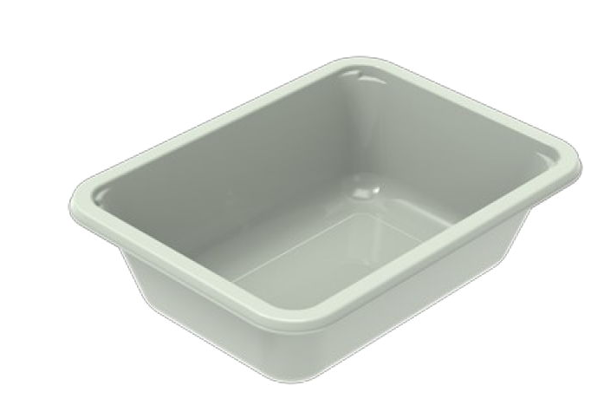 |  |  |  |  | 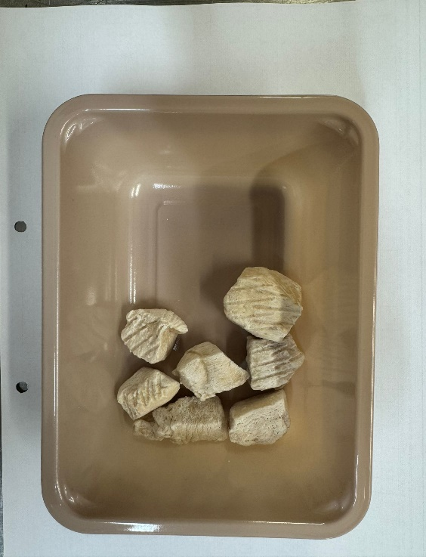
Tray: EVOLVE CPET 2171-1F FROST (PKRHP001-14) |  |  |  |  | 20-25mm Steam Cooked Diced CBC (RMVES001-01): 50g
Film: K Peel 3G 25µm (275mmX1000lm) (PKKMP001-04)
STEP 3 |  |  | STEP 4 |  |  |  |  |  | STEP 5
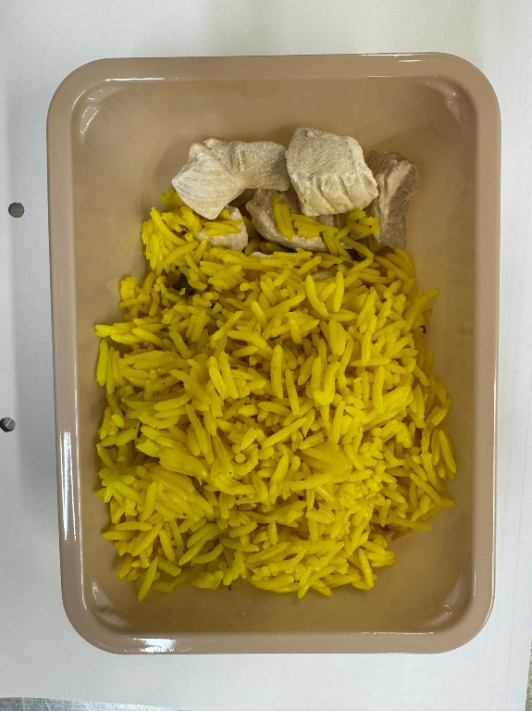 |  |  | 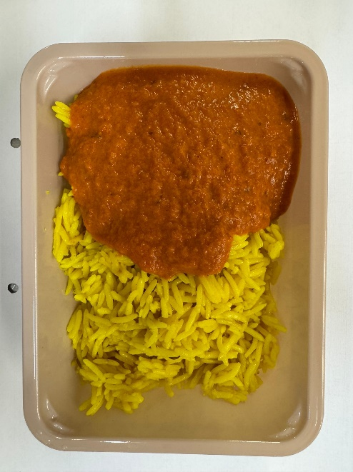 |  |  |  |  |  | 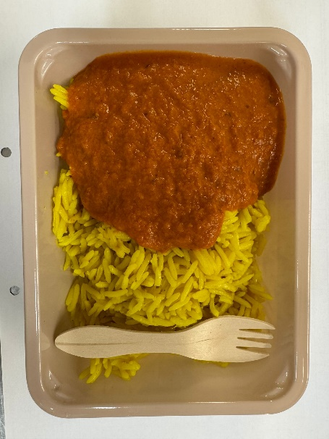
 |  |  |  |  |  |  |  |  | Add SPORK inside the tray before sealing
Pilau Rice (GFF143R): 200g |  |  | Butter Sauce (GFF134R): 100g |  |  |  |  |  | Total Weight: 350g
ALLERGY ALERT: Milk

